Sheet1
 | Document No. |  | Issue No. | Issue Date |  | Review and Replace Date |  |  |  | Authorised By
 | GFF195MC |  | 2 | 14.09.2020 |  | 22.02.2021 |  |  |  | Magda Shah
 | Document Title |  | Lamb Samosa 100g
Document amendments reason for change | Shelf life updated |  |  |  | Page 1 of 1 |  | Previous Issue Date |  | 14.09.2020 | Uncontrolled copy unless signed original

CLSAL1-G6TEB |  | BOOTHS | Lamb Samosa 100g
STEP 1 |  |  | STEP 2 |  |  |  |  | STEP 3
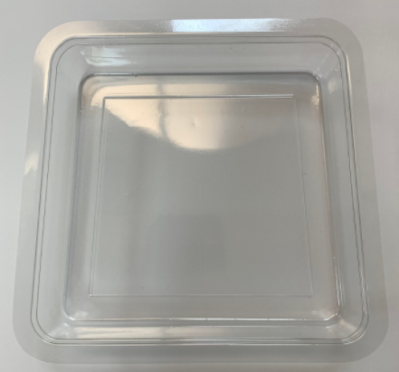 |  |  | 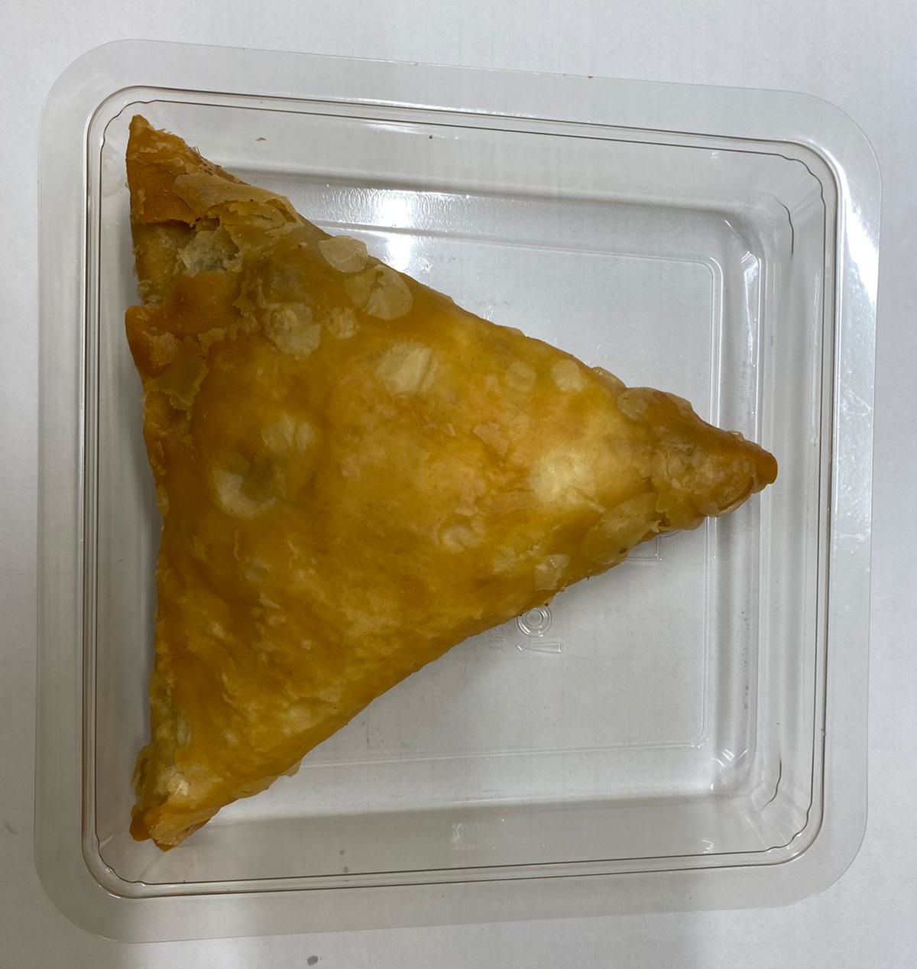 |  |  |  |  | 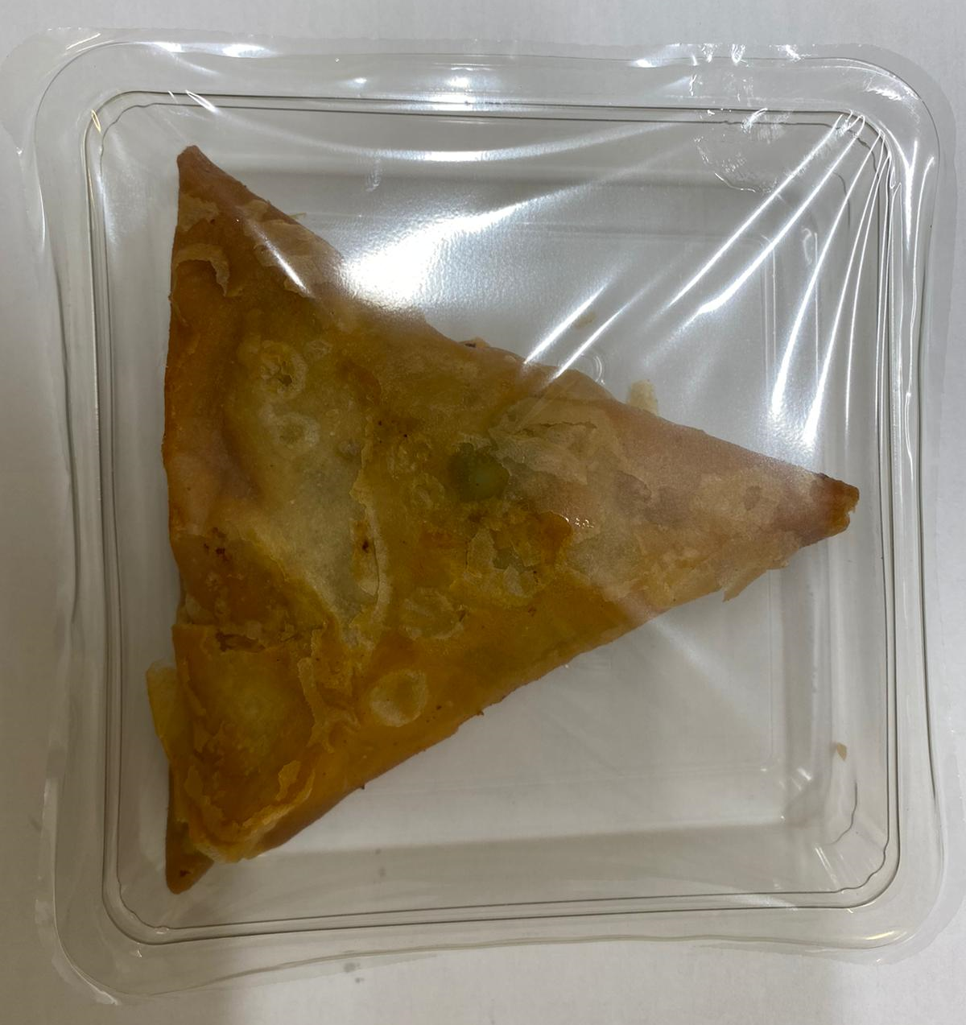

Tray: Trapezoid (PKLEE001-02) |  |  | Lamb Samosa Large (GFF005R): 100g (1 piece) |  |  |  |  | TOTAL WEIGHT: 100g
Line 1: Mylar 250LAF 250mm x 1000 (PKWRA001-08)
Line 2: Mylar 25OLAF - 380mm wide (PKWRA001-02)
ALLERGY ALERT: WHEAT, SOYA

